Index
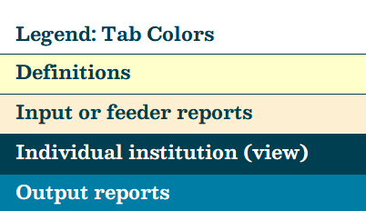
Table of Contents
Research Expenditures
Texas Education Code, §61.0662, requires the Coordinating Board to maintain an inventory of all institutional and programmatic research activities being conducted by all institutions of higher education. Each of the worksheets linked below provide research expenditures for Health-Related Institutions, Lamar State Colleges, Texas State Technical Colleges, Texas Public Universities, and Private Universities as reported in the Sources & Uses Research Expenditure survey.

Research Expenditures: | displays the summary of R&D expenditures, the expenditures by discipline, and expenditures in special interest areas for a selected institution.

Research Exp (Summary): | offers a comprehensive overview of how research expenditures are calculated, highlighting the specific methods and standards used in the calculation process.

Research Exp (Discipline): | offers a comprehensive overview of expenditures by method of funding and discipline across universities.
Research Exp (by Inst Type): | provides R&D expenditure totals by institution type, including summaries of expenses, funding sources, and special interest areas.

Restricted Research
Restricted research expenditures are reported for certain Texas public universities.
Restricted Research: | displays the restricted research expenditures for a given institution.
Restricted Research List: | offers a comprehensive overview of how restricted research expenditures are calculated, highlighting the specific methods and standards used in the calculation process.

Academic Space Model
Provides a summary of data used for the Academic Space Model for Health-Related Institutions, Lamar State Colleges, Texas State Technical Colleges, and Texas Public Universities.

Accountability
Provides a summary of the research expenditures by discipline and by method of funding for Health-Related Institutions, Lamar State Colleges, Texas State Technical Colleges, and Texas Public Universities published in the Texas Higher Education Accountability System. http://www.txhigheredaccountability.org/AcctPublic/

Almanac
Provides a summary of the total research expenditures data published in the THECB Almanac for Health-Related Institutions, Lamar State Colleges, Texas State Technical Colleges, and Texas Public Universities.

Definitions
Provides definitions for financial terms, methods of funding, and research reporting categories, and descriptions for acronyms. Definitions align with rules for reporting for fiscal year 2023.

Healthcare Research
Healthcare research data for Health-Related Institutions for Comptrollers Healthcare Report.
Input
Data as reported on the FY 2023 - Sources & Uses Survey of Research Expenditures.
FTSE | FTFE
Provides full-time student equivalent (FTSE) and faculty full-time equivalent (FTE) for the 2022-2023 academic year for Texas Public Universities, Health-Related Institutions, Lamar State Colleges, and Texas State Technical Colleges.

Contact Information
Provides name, phone number, and email address for the point of contact for the college or university.

