Contents
Regional Context Data Workbook - High Plains Region

Workbook Table of Contents
This workbook provides data relevant to the goals and targets of 60x30TX for your region, as well as data on population, educational attainment, enrollment in higher education, higher education outcomes and labor market information.

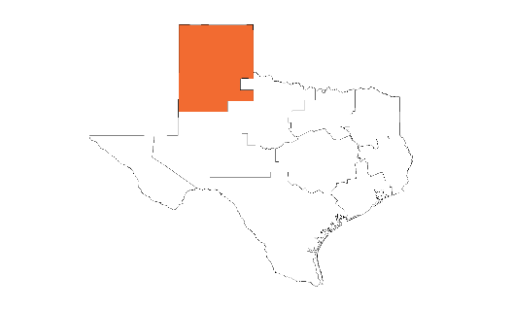

High Plains

Content | Description
Map | Regional Map of Institutions of Higher Education
Occupation Growth | Occupations Adding the Most New Jobs or Growing the Fastest In a Region, 2014-2024
Population Projections | Current Estimates of Regional Population and Population Projections for 2020, 2025, 2030
Educated Population | Current Estimates of 60x30 Educated Population and Projections for 2020, 2025, 2030
Completion by Institution - # | Number of Completions at Each Institution in Region
Completion by Institution - % | Percentage of Completions by Race/Ethnicity and Gender at Each Institution in Region
6-Year Grad Rates | Six-Year Graduation Rates
HS to College - 60x30TX Target | High School to College - Increase the Percentage of Texas High School Graduates Enrolling in Higher Education
HS to College - College Readiness | College Readiness - Increase the Percentage of Texas Higher Education Students Ready for College
Enrollment - Region of Residence | Student Enrollment in Higher Education by Residence Prior to Enrollment
Enrollment at Institutions in Region | Enrollment in Institutions of Higher Education In Region
Enrollment In and Out of Region | Enrollment in Institutions In Region and at Institutions Out of Region

Map
High Plains

Regional Map of Institutions of Higher Education
This page provides a map of all the public and independent institutions of higher education in your region. Geographic location is important to consider in terms of access to higher education. The map may be especially useful in your planning around the high school to higher education direct enrollment target.

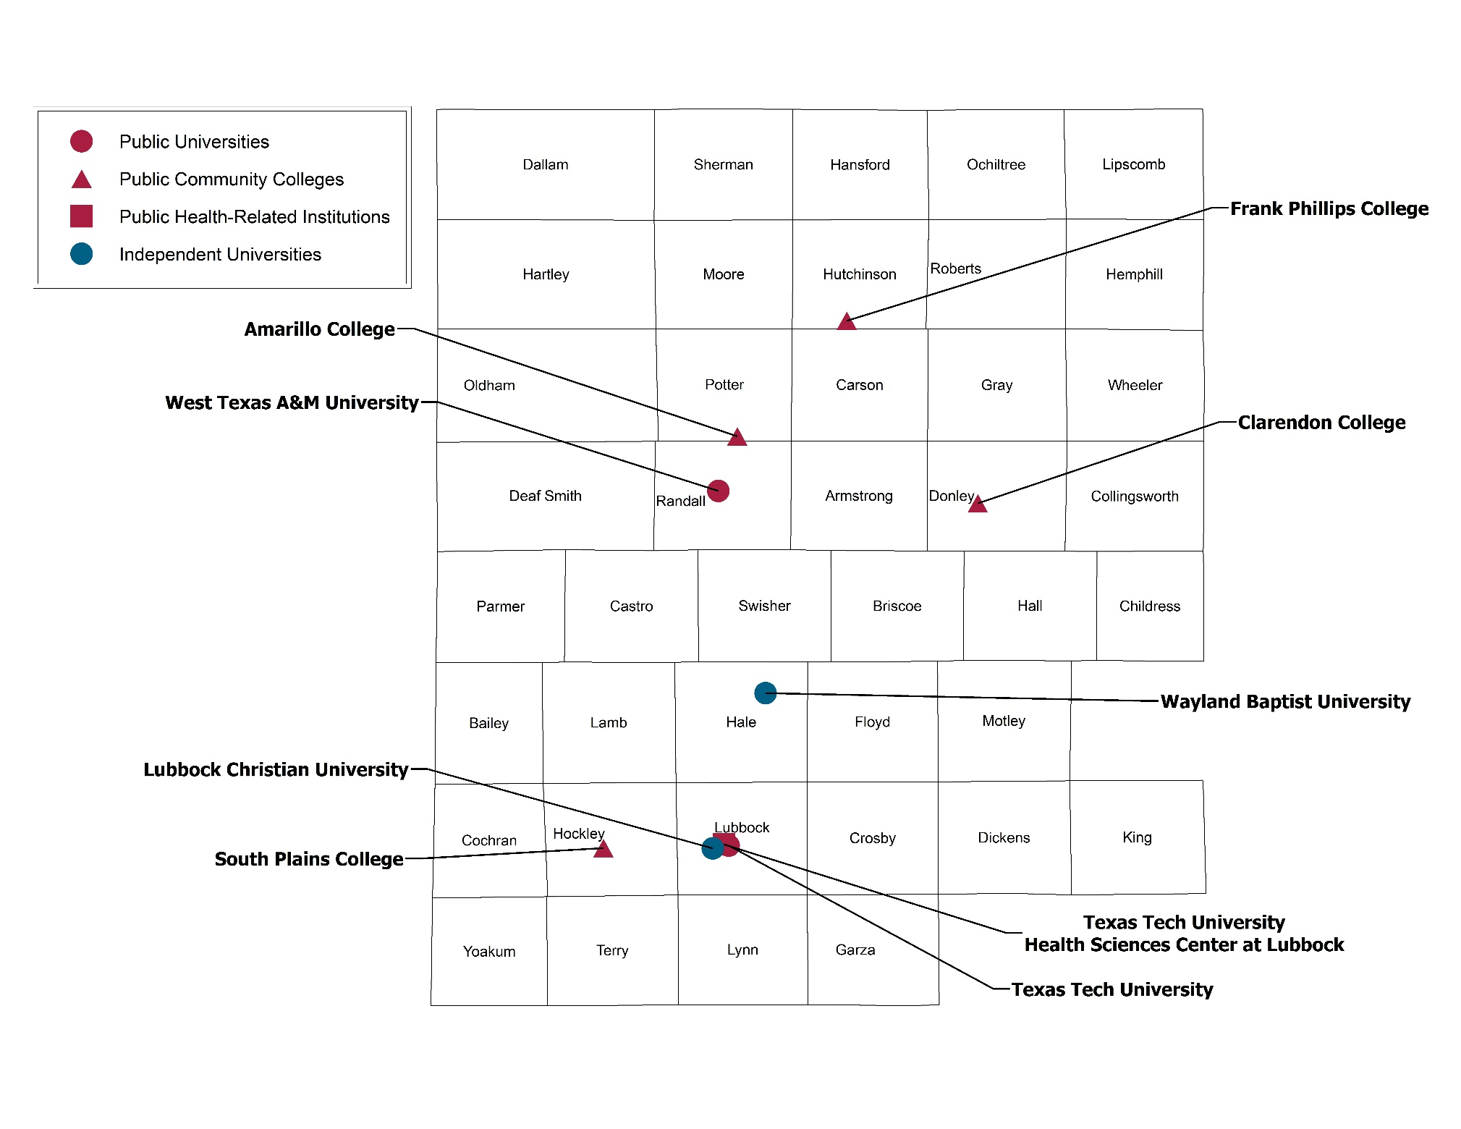

 | Back to Contents

Occ. Growth
High Plains

Occupations Adding the Most New Jobs or Growing the Fastest in a Region, 2014-2024.
This page provides data from the Texas Workforce Commission that projects the occupations that will add the greatest number of jobs from now until 2024. The table below identifies occupations with greatest growth in absolute number of jobs as well as occupations with highest percentage of growth.

Occupations Adding the Most New Jobs or Growing the Fastest, 2014-2024, High Plains
Occupation Title | High Growth in: |  | Jobs |  | Change (New Jobs) | Percent Change
 | Jobs | Percent | 2014 | 2024
Total, All Occupations |  |  | 424,520 | 477,540 | 53,020 | 12%
Leading occupations typically requiring an associate's degree or higher*
Registered Nurses | P | P | 7,210 | 9,080 | 1,870 | 26%
General & Operations Managers | P |  | 5,200 | 5,990 | 790 | 15%
Elementary School Teachers, Ex. Special Education | P |  | 4,940 | 5,610 | 670 | 14%
Secondary School Teachers, Ex Special/Career/Technical Ed | P |  | 4,070 | 4,610 | 540 | 13%
Accountants & Auditors | P |  | 2,880 | 3,330 | 450 | 16%
Medical & Health Services Managers |  | P | 580 | 710 | 130 | 22%
Radiologic Technologists |  | P | 550 | 660 | 110 | 20%
Personal Financial Advisors |  | P | 510 | 610 | 100 | 20%
Loan Officers |  | P | 800 | 950 | 150 | 19%
*Occupations with 500 or more jobs in 2014.

Source: Texas Workforce Commission

Average Annual Earnings of FY 2007 Graduates over 10 Years
 | Year (Years after Graduation) |  |  | 2007 Graduates | % Found with Earnings
Highest Degree or Award | 2008 (1 year) | 2012 (5 years) | 2017 (10 years)
Certificate | $31,185 | $41,108 | $50,729 | 723 | 80%
Associate | $34,857 | $43,499 | $57,377 | 873 | 76%
Baccalaureate | $39,367 | $56,498 | $81,269 | 4,570 | 75%
Master's | $53,808 | $68,303 | $91,516 | 1,455 | 69%
Doctoral | $57,299 | $76,852 | $85,045 | 211 | 42%
Professional | $74,452 | $120,269 | $188,340 | 422 | 71%

Average Annual Earnings of 2007 Graduates over 10 Years
 | 2008 (1 year) | 2012 (5 years) | 2017 (10 years)
Certificate | 31184.714798 | 41107.860585 | 50729.297045
Associate | 34856.965662 | 43498.852095 | 57377.362863
Baccalaureate | 39366.918999 | 56497.625495 | 81268.967371
Master's | 53807.737891 | 68302.574917 | 91516.197198
Doctoral | 57298.657004 | 76852.333427 | 85044.793802
Professional | 74452.493754 | 120269.45444 | 188339.72169

Source: TWC, THECB |  |  |  | Back to Contents

Pop. Proj.
High Plains

Current Estimates of Regional Population and Population Projections for 2020, 2025, 2030
This page presents the most recent estimates of population in your region, as well as projections of population in three age groups - 0-17 years, 18-24 years, and the critical 60X30TX age group - 25-34 years. Projections of the proportion of the population with a postsecondary credential needed to reach the 60x30 Goal are closely linked to population growth.

Population Estimates and Projections, Ages 0-17, 18-24, 25-34
 | White | Hispanic | African American | Other*
2017 | 96,475 | 114,712 | 12,127 | 10,025
2020 | 97,229 | 118,552 | 12,118 | 10,508
2025 | 98,095 | 125,307 | 12,018 | 11,137
2030 | 96,529 | 134,644 | 12,083 | 11,804
2017 | 47,685 | 42,406 | 5,899 | 4,079
2020 | 46,709 | 45,102 | 5,818 | 4,411
2025 | 46,031 | 50,090 | 6,151 | 5,134
2030 | 46,666 | 52,256 | 6,003 | 5,814
2017 | 62,698 | 51,497 | 8,156 | 5,470
2020 | 61,453 | 54,944 | 8,400 | 5,710
2025 | 58,205 | 61,772 | 8,243 | 6,074
2030 | 55,248 | 68,187 | 8,107 | 6,941

Age | Year | White |  | Hispanic |  | African American |  | Other* |  | Total
 |  | # | % | # | % | # | % | # | %
Age 0-17 | 2017 | 96,475 | 41.3% | 114,712 | 49.2% | 12,127 | 5.2% | 10025 | 4.3% | 233,339
 | 2020 | 97,229 | 40.8% | 118,552 | 49.7% | 12,118 | 5.1% | 10,508 | 4.4% | 238,407
 | 2025 | 98,095 | 39.8% | 125,307 | 50.8% | 12,018 | 4.9% | 11,137 | 4.5% | 246,557
 | 2030 | 96,529 | 37.8% | 134,644 | 52.8% | 12,083 | 4.7% | 11,804 | 4.6% | 255,060

Age 18-24 | 2017 | 47,685 | 47.7% | 42,406 | 42.4% | 5,899 | 5.9% | 4,079 | 4.1% | 100,069
 | 2020 | 46,709 | 45.8% | 45,102 | 44.2% | 5,818 | 5.7% | 4,411 | 4.3% | 102,040
 | 2025 | 46,031 | 42.9% | 50,090 | 46.6% | 6,151 | 5.7% | 5,134 | 4.8% | 107,406
 | 2030 | 46,666 | 42.1% | 52,256 | 47.2% | 6,003 | 5.4% | 5,814 | 5.3% | 110,739

Age 25-34 | 2017 | 62,698 | 49.1% | 51,497 | 40.3% | 8,156 | 6.4% | 5,470 | 4.3% | 127,821
 | 2020 | 61,453 | 47.1% | 54,944 | 42.1% | 8,400 | 6.4% | 5,710 | 4.4% | 130,507
 | 2025 | 58,205 | 43.3% | 61,772 | 46.0% | 8,243 | 6.1% | 6,074 | 4.5% | 134,294
 | 2030 | 55,248 | 39.9% | 68,187 | 49.2% | 8,107 | 5.9% | 6,941 | 5.0% | 138,483

Source: Texas Demographic Center, http://txsdc.utsa.edu/
* Other includes Asian, Native American and all other race/ethnicities reported |  |  |  |  |  |  |  |  | Back to Contents

Attainment
High Plains

Current Estimates of 60x30 Educated Population and Projections for 2020, 2025, 2030
This page presents the most recent estimates of the proportion of residents, ages 25-34, who have earned any higher education credential. We refer to this proportion as the "60x30 educated population". Projections of the educated population in 2020, 2025 and 2030 are based on current attainment levels in each region and projected changes in regional population.

 | 60x30 Educated Population Goal: By 2030, at least 60 percent of Texans ages 25-34 will have a certificate or degree Educational Attainment of Texas Residents Ages 25-34, 2015 to 2030, by Higher Education Region 2015 is Actual Data, 2020, 2025, and 2030 are Projections
 |  |  |  | Region 1
 |  |  | Statewide | High Plains
 | 2016 | Certificate or higher attainment | 1,721,152 | 46,347
 |  | Population age 25-34 (PUMS 1-year estimate, ACS) | 4,069,422 | 121,766
 |  | Educational attainment (% cert or higher) | 42.3% | 38.1%

 | 2020 | Certificate or higher attainment - 2015 regional estimates inflated to 2020 level | 1,897,087 | 54,203
 |  | Population age 25-34 ('2014' TSDC projections, 0.5 migration scenario) | 3,976,856 | 130,507
 |  | Projected educational attainment (% cert or higher postsecondary degree) | 47.7% | 41.5%

 | 2025 | Certificate or higher attainment - 2015 regional estimates inflated to 2025 level | 2,262,465 | 65,437
 |  | Population age 25-34 ('2014' TSDC projections, 0.5 migration scenario) | 4,225,965 | 134,294
 |  | Projected educational attainment (% cert or higher postsecondary degree) | 53.5% | 48.7%

 | 2030 | Certificate or higher attainment - 2015 regional estimates inflated to 2030 level | 2,690,822 | 77,854
 |  | Population age 25-34 ('2014' TSDC projections, 0.5 migration scenario) | 4,484,352 | 138,483
 |  | Projected educational attainment (% cert or higher postsecondary degree) | 60.0% | 56.2%

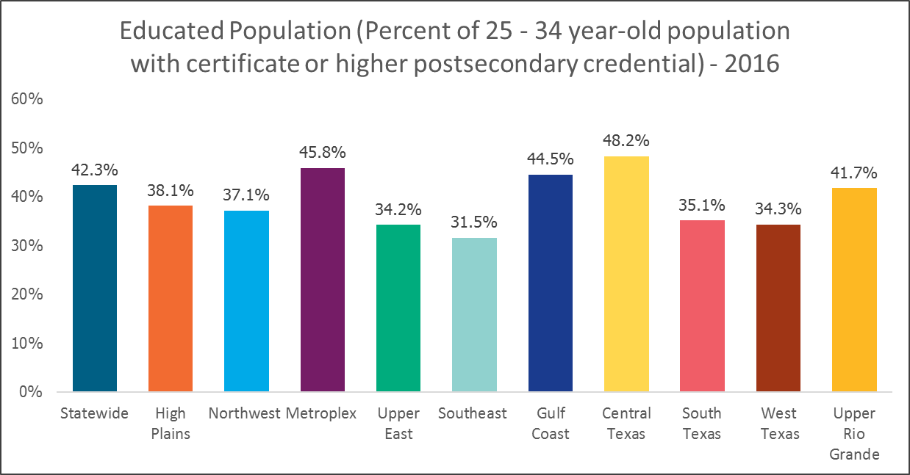

 |  | Source: American Community Survey, US Census Bureau and THECB. |  |  | Back to Contents
 |  | https://www.census.gov/acs/www/data/data-tables-and-tools/data-profiles/2016/

Comp by Inst Reg-percent
High Plains

Percentage of Completions by Race/Ethnicity and Gender at Each Institution In Region.
This page presents (1) the percent of completions awarded to different race/ethnicities and gender in your region and (2) the percent of regional completions by level of credential. The statewide completion goal is to produce 550,000 certificates or associate, bachelor's and master's degrees (CABMs) in 2030. Within that goal, there are additional completion targets for Hispanic (285,000), African American (76,000), male (275,000) and economically disadvantaged (246,000) student populations. Breakouts of the most recent data on completions are presented by race/ethnicity and gender to assist in monitoring progress toward 60X30TX targets for Hispanic, African American, male, and economically disadvantaged students. It is important to note that the data for economically disadvantaged students includes only undergraduate degrees (certificate, associate, bachelor's). Data on completions by level provides information about the mix of certificates and degrees among different student populations in your region.

Completions (Certificate, Associate, Bachelor's, Master's) by Institution of Higher Education - Race/Ethnicity, Gender, Economically Disadvantaged Students - FY 2017

Public Two-Year Colleges | Total | White | Hispanic | African American | Other | Male | Female | **Economically Disadvantaged
AMARILLO COLLEGE | 2,190 | 47.5% | 42.2% | 4.2% | 6.1% | 47.5% | 52.5% | 54.2%
CLARENDON COLLEGE | 283 | 7.9% | 0.8% | 0.7% | 3.5% | 6.2% | 6.7% | 6.6%
FRANK PHILLIPS COLLEGE | 194 | 5.4% | 2.6% | 0.4% | 0.5% | 4.1% | 4.7% | 4.7%
SOUTH PLAINS COLLEGE | 1,514 | 29.9% | 33.3% | 3.8% | 2.1% | 35.6% | 33.6% | 38.3%
Total | 4,181 | 47.5% | 41.4% | 4.8% | 6.4% | 48.9% | 51.1% | 54.4%

Public Four-Year Institutions | Total | White | Hispanic | African American | Other | Male | Female | **Economically Disadvantaged
TEXAS TECH UNIVERSITY | 7,254 | 61.6% | 20.7% | 6.2% | 11.5% | 51.1% | 48.9% | 31.6%
WEST TEXAS A&M UNIVERSITY | 2,265 | 64.6% | 20.9% | 4.9% | 9.5% | 40.0% | 60.0% | 37.7%
Total | 9,519 | 62.3% | 20.7% | 5.9% | 11.0% | 48.4% | 51.6% | 33.1%

Public Health Related Institutions | Total | White | Hispanic | African American | Other | Male | Female | **Economically Disadvantaged
TEXAS TECH UNIV HLTH SCI CTR | 1,739 | 54.3% | 16.3% | 9.6% | 19.8% | 16.3% | 83.7% | 35.6%

Total | 1,739 | 54.3% | 16.3% | 9.6% | 19.8% | 16.3% | 83.7% | 35.6%

Independent Institutions | Total | White | Hispanic | African American | Other | Male | Female | **Economically Disadvantaged
LUBBOCK CHRISTIAN UNIVERSITY | 479 | 0.0% | 0.0% | 0.0% | 0.0% | 0.0% | 0.0%
WAYLAND BAPTIST UNIVERSITY | 1,040 | 0.0% | 0.0% | 0.0% | 0.0% | 0.0% | 0.0%
Total | 1,519 | 50.7% | 28.0% | 15.3% | 6.0% | 41.7% | 58.3% | 38.1%

High Plains Totals | Total | White | Hispanic | African American | Other | Male | Female | **Economically Disadvantaged
Public Institutions (all Sectors) Total | 15,439 | 57.4% | 25.8% | 6.0% | 10.8% | 45.0% | 55.0% | 39.1%
All Institutions (All Sectors) Total | 16,958 | 56.8% | 26.0% | 6.9% | 10.3% | 44.7% | 55.3% | 39.0%

Completions by Level - FY 2017
Region of HE Institution

 | Total | White | Hispanic | African American | Other | Male | Female | *Economically Disadvantaged
Certificate | 1,981 | 46.6% | 42.4% | 4.4% | 6.6% | 65.6% | 34.4% | 41.9%
Associate | 2,288 | 47.6% | 40.5% | 5.8% | 6.1% | 34.8% | 65.2% | 63.7%
Bachelor's | 9,442 | 61.7% | 21.8% | 7.2% | 9.3% | 43.2% | 56.8% | 45.8%
Master's | 3,247 | 55.2% | 18.2% | 8.0% | 18.7% | 43.1% | 56.9% | N/A
Completions by Level by Race/Ethnicity
Completions by Level by Gender
Completions by Economically Disadvantaged Students

* Economically Disadvantaged students only include students completing a certificate, associate, or bachelor's degree.
Source: THECB
For additional years of data, see the Higher Education Accountability System: http://www.txhigheredaccountability.org/acctpublic/ |  |  |  |  |  |  |  |  | Back to Contents

6-Year Grad Rates
High Plains

Six-Year Graduation Rates - Percentage of First Time Undergraduate Students that Graduate within 6 Years
This page presents the percentage of first-time undergraduates (FTUG) enrolled full-time at public universities that complete a bachelor's degree or enrolled at community and technical colleges (CTCs) that complete a certificate, associate degree, or above within 6 years of initial enrollment.* Further breakdowns by gender and race/ethnicity are provided.

Six-Year Graduation Rates of First Time Undergraduates (FTUG) at Public Universities (Bachelor's Degrees)- Fall 2011 Cohort
Statewide Graduation Rates of Fall 2011 FTUG Cohorts at Public Universities
 | 6-year
F | 74.3%
M | 64.1%
F | 58.7%
M | 47.2%
F | 48.5%
M | 36.0%
F | 76.0%
M | 66.3%
Region | Race/ Ethnicity | Gender | 6-year | Cohort Size
Statewide | White | F | 74.3% | 15,024
 |  | M | 64.1% | 13,371

 | Hispanic | F | 58.7% | 11,986
 |  | M | 47.2% | 9,978

 | African American | F | 48.5% | 5,745
 |  | M | 36.0% | 3,809

 | Other | F | 76.0% | 4,102
 |  | M | 66.3% | 4,318
High Plains | White | F | 75.9% | 1,816
Regional Graduation Rates of Fall 2011 FTUG Cohorts at Public Universities
 | 6-year
F | 75.9%
M | 62.9%
F | 61.5%
M | 46.9%
F | 68.9%
M | 47.7%
F | 68.1%
M | 52.2%
 |  | M | 62.9% | 1,783

 | Hispanic | F | 61.5% | 577
 |  | M | 46.9% | 595

 | African American | F | 68.9% | 148
 |  | M | 47.7% | 222

 | Other | F | 68.1% | 191
 |  | M | 52.2% | 274

Source: THECB and Institutional Data

Six-Year Graduation Rates of First Time Undergraduates (FTUG) at Public CTCs (Certificate, Associate or above) - Fall 2011 Cohort

Statewide Graduation Rates of Fall 2011 FTUG Cohorts at Public CTCs
 | 6-year
F | 40.5%
M | 35.3%
F | 35.6%
M | 31.1%
F | 21.2%
M | 17.2%
F | 41.4%
M | 34.1%
Region | Race/ Ethnicity | Gender | 6-year | Cohort Size
Statewide | White | F | 40.5% | 11,988
 |  | M | 35.3% | 11,205

 | Hispanic | F | 35.6% | 14,092
 |  | M | 31.1% | 11,767

 | African American | F | 21.2% | 4,827
 |  | M | 17.2% | 4,346

 | Other | F | 41.4% | 3133
 |  | M | 34.1% | 3184
High Plains | White | F | 43.8% | 735
 |  | M | 35.5% | 682
Regional Graduation Rates of Fall 2011 FTUG Cohorts at Public CTCs
 | 6-year
F | 43.8%
M | 35.5%
F | 34.2%
M | 31.3%
F | 21.6%
M | 18.9%
F | 37.5%
M | 35.5%
 | Hispanic | F | 34.2% | 628
 |  | M | 31.3% | 511

 | African American | F | 21.6% | 111
 |  | M | 18.9% | 95

 | Other | F | 37.5% | 72
 |  | M | 35.5% | 62

Source: THECB |  |  |  |  | Back to Contents
* Four-year graduation rates are reported in THECB's Accountability system (http://www.txhigheredaccountability.org/acctpublic/).
Ten-year graduation rates can be found in topic workbooks in regional portal (http://www.txhighereddata.org/reports/performance/regions/)

HS to Coll.
High Plains

High School to College - Increase the Percentage of Texas High School Graduates Enrolling in Higher Education
60x30TX proposes that by 2030, 65% of high school graduates will enroll in an institution of higher education by the first fall after their graduation. The next three pages present data that emphasize the path from high school to higher education in your region. It includes the high school-to-higher education targets at the state and regional level, current levels of direct enrollment in higher education by sector, and data about the degrees earned by students who attended high school in your region.

Percent of High School Graduates Enrolling in Higher Education the Following Year
Projections for 2020, 2025, 2030 to Reach 60x30 Targets

 | 2015 | 2016 | 2017 | 2020 | 2025 | 2030
High Plains | 51.1% | 51.2% | 50.3% | 57.2% | 60.1% | 64.1%
HS Grads in HE* | 4,752 | 4,903 | 4,947 | 5,632 | 6,111 | 6,757
HS Grads** | 9,298 | 9,580 | 9,844 | 9,851 | 10,163 | 10,546
Statewide | 52.7% | 51.9% | 52.3% | 58% | 61% | 65%

Percent of High School Graduates (2016-2017) enrolling in Higher Education (Fall 2017)
 | Number |  |  |  |  |  | Percentage of HS Grads Enrolled in Higher Education
 | HS Graduates | Trackable HS Grads | Enroll in Public 2-year | Enroll in Public Univ | Enroll in Independent | Total Enrolled in Higher Ed | % Public 2 yr | % Public Univ | % Independent | % Total Enrolled in Higher Ed
High Plains | 10,172 | 9,844 | 2,733 | 1,828 | 386 | 4,947 | 27.8% | 18.6% | 3.9% | 50.3%
Statewide | 334,424 | 316,666 | 80,352 | 74,338 | 11,137 | 165,827 | 25.4% | 23.5% | 3.5% | 52.4%
High School to Higher Education, Fall 2017

High School Graduates (2016-2017) Enrolling in Higher Education (Fall 2017) by Race/Ethnicity
 | Number of HS Grads Enrolling in HE
 | Total HS Graduates | White | Hispanic | African American | Other | Total
High Plains | 10,172 | 2,350 | 2,119 | 236 | 242 | 4,947
Statewide | 334,424 | 55,924 | 75,972 | 19,502 | 14,353 | 165,751

2009, 2010, & 2011 High School Graduates by Region
Who Earned a Degree or Certificate Within Six Years of HS Graduation *
THECB Region | College Enrollment Status | Total High School Grads | Enrolled Immediately | Based on Highest Degree Earned |  |  | Percentage Earned
 |  |  |  | Associate Degree | Certificate | Bachelor's or Higher | Bachelor's or Higher Degree

High Plains | 1.Did not attend immediately | 12,063 | 0 | 114 | 171 | 132 | 1.1
 | 2.Started at two-year | 8,949 | 8,949 | 1,165 | 661 | 1,028 | 11.5
 | 3.Started at four-year | 6,610 | 6,610 | 197 | 65 | 3,848 | 58.2
 | Region Total | 27,622 | 15,559 | 1,476 | 897 | 5,008 | 18.1
 |  |  |  |  |  |  |  |  | continued next page

FY 2009, 2010, & 2011 Public HS Graduates who Earned a Degree or Certificate within Six Years of HS Graduation
Awards from 4-year and 2-year public and independent institutions
THECB Region | College Graduation Status and Highest Degree Granting Institution | High School Grads | Based on Highest Degree Earned |  |  | % Bachelor's or Higher | Earned Both Bachelor's or Higher & Associate**
 |  |  | Associate Degree | Certificate | Bachelor's or Higher

High Plains | Region Total | 27,622 | 1,476 | 897 | 5,008 | 18.1% | 573
 | ABILENE CHRISTIAN UNIVERSITY |  | - | - | 70 |  | -
 | ANGELO STATE UNIVERSITY |  | - | - | 88 |  | 9
 | AUSTIN COLLEGE |  | - | - | 5 |  | -
 | BAYLOR UNIVERSITY |  | - | - | 67 |  | -
 | CONCORDIA UNIVERSITY TEXAS |  | - | - | 2 |  | -
 | DALLAS BAPTIST UNIVERSITY |  | - | - | 15 |  | 1
 | EAST TEXAS BAPTIST UNIVERSITY |  | - | - | 1 |  | -
 | HARDIN-SIMMONS UNIVERSITY |  | - | - | 34 |  | -
 | HOUSTON BAPTIST UNIVERSITY |  | - | - | 1 |  | -
 | HOWARD PAYNE UNIVERSITY |  | - | - | 5 |  | -
 | HUSTON-TILLOTSON UNIVERSITY |  | - | - | 1 |  | -
 | JARVIS CHRISTIAN COLLEGE |  | - | - | 1 |  | -
 | LAMAR UNIVERSITY |  | - | - | 4 |  | -
 | LETOURNEAU UNIVERSITY |  | 1 | - | 2 |  | -
 | LUBBOCK CHRISTIAN UNIVERSITY |  | - | - | 205 |  | 24
 | MCMURRY UNIVERSITY |  | - | - | 29 |  | 3
 | MIDWESTERN STATE UNIVERSITY |  | - | - | 33 |  | 3
 | PARKER UNIVERSITY |  | - | - | 1 |  | -
 | PRAIRIE VIEW A&M UNIVERSITY |  | - | - | 4 |  | -
 | RICE UNIVERSITY |  | - | - | 8 |  | -
 | SAM HOUSTON STATE UNIVERSITY |  | - | - | 12 |  | 2
 | SCHREINER UNIVERSITY |  | - | - | 5 |  | -
 | SOUTHERN METHODIST UNIVERSITY |  | - | - | 14 |  | -
 | SOUTHWESTERN ADVENTIST UNIV |  | - | - | 1 |  | -
 | SOUTHWESTERN ASSEM OF GOD UNIV |  | - | - | 5 |  | 2
 | SOUTHWESTERN UNIVERSITY |  | - | - | 12 |  | -
 | ST. EDWARD'S UNIVERSITY |  | - | - | 10 |  | -
 | ST. MARY'S UNIVERSITY |  | - | - | 1 |  | -
 | STEPHEN F. AUSTIN STATE UNIV |  | - | - | 6 |  | 1
 | SUL ROSS STATE UNIVERSITY |  | - | - | 11 |  | 2
 | TAMU SYSTEM HLTH SCI CTR |  | - | - | 3 |  | 1
 | TARLETON STATE UNIVERSITY |  | - | - | 57 |  | 11
 | TEXAS A&M INTERNATIONAL UNIV |  | - | - | 2 |  | 1
 | TEXAS A&M UNIV AT GALVESTON |  | - | - | 3 |  | -
 | TEXAS A&M UNIV-CENTRAL TEXAS |  | - | - | 1 |  | -
 | TEXAS A&M UNIV-CORPUS CHRISTI |  | - | - | 11 |  | -
 | TEXAS A&M UNIV-KINGSVILLE |  | - | - | 3 |  | -
 | TEXAS A&M UNIV-SAN ANTONIO |  | - | - | 1 |  | -
 | TEXAS A&M UNIVERSITY |  | - | - | 298 |  | 13
 | TEXAS A&M UNIVERSITY-COMMERCE |  | - | - | 3 |  | -
 | TEXAS CHRISTIAN UNIVERSITY |  | - | 1 | 34 |  | -
 | TEXAS COLLEGE |  | - | - | 1 |  | -
 | TEXAS LUTHERAN UNIVERSITY |  | - | - | 2 |  | -
 | TEXAS SOUTHERN UNIVERSITY |  | - | - | 1 |  | -
 | TEXAS STATE UNIVERSITY |  | - | - | 74 |  | 6
 | TEXAS TECH UNIV HLTH SCI CTR |  | - | - | 89 |  | 16
 | TEXAS TECH UNIVERSITY |  | - | - | 1,746 |  | 186
 | TEXAS WOMAN'S UNIVERSITY |  | - | - | 10 |  | 1
 | TRINITY UNIVERSITY |  | - | - | 8 |  | -
 | U. OF HOUSTON-CLEAR LAKE |  | - | - | 1 |  | -
 | U. OF TEXAS AT ARLINGTON |  | - | - | 29 |  | 4
 | U. OF TEXAS AT AUSTIN |  | - | - | 182 |  | 3
 | U. OF TEXAS AT BROWNSVILLE |  | - | - | 2 |  | 2
 | U. OF TEXAS AT DALLAS |  | - | - | 10 |  | -
 | U. OF TEXAS AT EL PASO |  | - | - | 8 |  | 4
 | U. OF TEXAS AT SAN ANTONIO |  | - | - | 26 |  | 1
 | U. OF TEXAS AT TYLER |  | - | - | 8 |  | 2
 | U. OF TEXAS-PERMIAN BASIN |  | - | - | 22 |  | 4
 | U. OF TEXAS-RIO GRANDE VALLEY |  | - | - | 1 |  | -
 | UNIV OF MARY HARDIN-BAYLOR |  | - | - | 7 |  | -
 | UNIV OF THE INCARNATE WORD |  | - | - | 2 |  | -
 | UNIVERSITY OF DALLAS |  | - | - | 4 |  | -
 | UNIVERSITY OF HOUSTON |  | - | - | 12 |  | 2
 | UNIVERSITY OF NORTH TEXAS |  | - | - | 109 |  | 13 |  | continued next page
FY 2009, 2010, & 2011 Public HS Graduates who Earned a Degree or Certificate within Six Years of HS Graduation
Awards from 4-year and 2-year public and independent institutions
THECB Region | College Graduation Status and Highest Degree Granting Institution | High School Grads | Based on Highest Degree Earned |  |  | % Bachelor's or Higher | Earned Both Bachelor's or Higher & Associate**
 |  |  | Associate Degree | Certificate | Bachelor's or Higher

 | UT HEALTH SCI CENTER-HOUSTON |  | - | - | 1 |  | -
 | UT MEDICAL BRANCH GALVESTON |  | - | - | 1 |  | -
 | WAYLAND BAPTIST UNIVERSITY |  | - | - | 120 |  | 9
 | WEST TEXAS A&M UNIVERSITY |  | - | - | 1,463 |  | 247
 | ALAMO CCD NW VISTA COLLEGE |  | 2 | - | - |  | -
 | ALAMO CCD SAN ANTONIO COLLEGE |  | 3 | - | - |  | -
 | AMARILLO COLLEGE |  | 718 | 329 | - |  | -
 | AUSTIN COMMUNITY COLLEGE |  | 5 | - | - |  | -
 | BLINN COLLEGE DISTRICT |  | 3 | - | - |  | -
 | CENTRAL TEXAS COLLEGE |  | 2 | 1 | - |  | -
 | CISCO COLLEGE |  | 3 | 1 | - |  | -
 | CLARENDON COLLEGE |  | 73 | 85 | - |  | -
 | COLLIN CO COMM COLL DISTRICT |  | 3 | - | - |  | -
 | DCCCD BROOKHAVEN COLLEGE |  | 1 | - | - |  | -
 | DCCCD EASTFIELD COLLEGE |  | 1 | - | - |  | -
 | DCCCD EL CENTRO COLLEGE |  | 2 | 1 | - |  | -
 | DCCCD NORTH LAKE COLLEGE |  | 1 | 2 | - |  | -
 | DCCCD RICHLAND COLLEGE |  | 3 | - | - |  | -
 | DEL MAR COLLEGE |  | 2 | - | - |  | -
 | EL PASO COMMUNITY COLLEGE DIST |  | 2 | - | - |  | -
 | FRANK PHILLIPS COLLEGE |  | 40 | 85 | - |  | -
 | GALVESTON COLLEGE |  | 1 | - | - |  | -
 | GRAYSON COLLEGE |  | 2 | 1 | - |  | -
 | HILL COLLEGE |  | 3 | - | - |  | -
 | HOUSTON COMMUNITY COLLEGE |  | 4 | - | - |  | -
 | HOWARD COLLEGE |  | 7 | 3 | - |  | -
 | KILGORE COLLEGE |  | 1 | 4 | - |  | -
 | LEE COLLEGE |  | 1 | - | - |  | -
 | LONE STAR COLLEGE - KINGWOOD |  | 2 | - | - |  | -
 | MCLENNAN COMMUNITY COLLEGE |  | 3 | 1 | - |  | -
 | MIDLAND COLLEGE |  | 6 | 4 | - |  | -
 | NAVARRO COLLEGE |  | 5 | 1 | - |  | -
 | NORTH CENTRAL TEXAS COLLEGE |  | 3 | - | - |  | -
 | NORTHEAST TEXAS COMM COLLEGE |  | 1 | - | - |  | -
 | ODESSA COLLEGE |  | 9 | 6 | - |  | -
 | RANGER COLLEGE |  | 1 | 2 | - |  | -
 | SOUTH PLAINS COLLEGE |  | 522 | 338 | - |  | -
 | SOUTHWESTERN CHRISTIAN COLLEGE |  | 1 | - | - |  | -
 | TARRANT CO NORTHEAST CAMPUS |  | 1 | - | - |  | -
 | TARRANT CO SOUTH CAMPUS |  | 1 | - | - |  | -
 | TARRANT CO SOUTHEAST CAMPUS |  | 4 | - | - |  | -
 | TEXAS STATE T. C. HARLINGEN |  | 1 | - | - |  | -
 | TEXAS STATE T. C. MARSHALL |  | 1 | - | - |  | -
 | TEXAS STATE T. C. WACO |  | 7 | 2 | - |  | -
 | TEXAS STATE T. C. WEST TEXAS |  | 9 | 7 | - |  | -
 | TRINITY VALLEY COMM COLLEGE |  | 1 | - | - |  | -
 | TYLER JUNIOR COLLEGE |  | 2 | 1 | - |  | -
 | VERNON COLLEGE |  | 2 | 4 | - |  | -
 | WEATHERFORD COLLEGE |  | 2 | 1 | - |  | -
 | WESTERN TEXAS COLLEGE |  | 8 | 9 | - |  | -
 | ANGELINA COLLEGE |  | - | 1 | - |  | -
 | COASTAL BEND COLLEGE |  | - | 1 | - |  | -
 | DCCCD CEDAR VALLEY COLLEGE |  | - | 1 | - |  | -
 | LONE STAR COLLEGE - N. HARRIS |  | - | 1 | - |  | -
 | PARIS JUNIOR COLLEGE |  | - | 1 | - |  | -
 | TARRANT CO NORTHWEST CAMPUS |  | - | 1 | - |  | -
 | TEMPLE COLLEGE |  | - | 1 | - |  | -
 | WHARTON COUNTY JUNIOR COLLEGE |  | - | 1 | - |  | -

* Public high school students who graduate in the school year prior to entering public or independent higher education in the fall semester
**Includes high school graduates minus non-trackable students. Non-trackable graduates have non-standard ID numbers that will not find a match at Texas higher education institutions
*Counts are combined totals for 2009, 2010, and 2011 graduates.
**** Associates degree could be earned at any institution.
Source: TEA, THECB |  |  |  |  |  |  |  |  | Back to Contents

HS to Coll - College Readiness
High Plains

College Readiness - Increase the Percentage of Texas Higher Education Students Ready for College
60x30TX proposes that by 2030, 65% of high school graduates will enroll in an institution of higher education by the first fall after their graduation. This page presents data that emphasize the path from high school to higher education in your region. The first table below follows a cohort of 8th grade students from 2007 until 2017. It shows the proportion of that cohort who graduated from high school, enrolled in higher education and completed a certificate or degree. The second graph compares the percent of high school graduates meeting college readiness (referred to as TSI readiness) in math, writing and reading in the state and in your region. The last set of graphs highlights the decreasing levels of college readiness over the last three years. It is important to note that in 2015 state assessment policies changed such that the STAAR End-of-Course (EOC) assessments which demonstrate college readiness, Algebra II and English III, were no longer required and rarely offered across districts.

% of 8th Grade Cohort (FY2006) that Graduate from HS, Enroll in HE & Complete HE (FY2017)
 | High School Graduate in FY10-12 | Enrolled in HE | HE Degree or Certificate in Texas
White | 0.82765224052 | 0.6290693221 | 0.29605515128
Hispanic | 0.73374870197 | 0.42803738318 | 0.13914849429
African American | 0.71151515152 | 0.45696969697 | 0.082424242424
Others | 0.79289940828 | 0.59171597633 | 0.29585798817
FY 2017 High School Graduates in Higher Ed- Performance on TSI Readiness Measures
 | High Plains | Statewide
All areas | 0.52620039465 | 0.61031989341
Math | 0.59482569612 | 0.65267052143
Writing | 0.78096908573 | 0.8555499502
Reading | 0.71212453409 | 0.78695978372

TSI Readiness - All Areas
TSI Readiness - Math

TSI Readiness - Writing
TSI Readiness - Reading

High School Graduates Meeting Texas Success Initiative (TSI) Standards
 |  | % of HS Graduates in Higher Ed Meeting TSI Standards
TSI Assessment Area |  | 2015 | 2016 | 2017
All Areas | Statewide | 57.9% | 58.0% | 61.0%
 | High Plains | 53.9% | 51.3% | 52.6%
Math | Statewide | 63.4% | 63.3% | 65.3%
 | High Plains | 62.9% | 59.1% | 59.5%
Writing | Statewide | 77.3% | 77.8% | 85.6%
 | High Plains | 71.8% | 69.6% | 78.1%
Reading | Statewide | 75.8% | 75.9% | 78.7%
 | High Plains | 70.6% | 68.7% | 71.2%

Source: THECB |  |  |  |  | Back to Contents
*Note: Assessment instrument and policies changed in 2015.

Enrollment-Region of Residence
High Plains

Student Enrollment in Higher Education by Residence Prior to Enrollment
This page provides data about enrollment in higher education among students who completed high school or were residing in your region prior to enrollment. The tables and graphs highlight changes in 4-year and 2-year enrollment between 2000 and 2017. Data are broken out by sector and race/ethnicity.

 |  | Number |  |  |  |  | Percent
Year | Sector | Total | White | Hispanic | African American | Other | White | Hispanic | African American | Other
2000 | 4-Yr | 15,982 | 13,060 | 1,954 | 502 | 466 | 82% | 12% | 3% | 3%
 | 2-Yr | 17,329 | 12,194 | 3,683 | 743 | 709 | 70% | 21% | 4% | 4%
2017 | 4-Yr | 16,956 | 10,077 | 4,760 | 778 | 1,341 | 59% | 28% | 5% | 8%
 | 2-Yr | 18,329 | 8,372 | 7,574 | 1,085 | 1,298 | 46% | 41% | 6% | 7%

Students Enrolled in Higher Education by Sector & Race/Ethnicity, Fall 2000 & 2017

Source: THECB |  |  |  |  |  |  |  |  |  |  | Back to Contents

Enrollment at Inst in Region
High Plains

Enrollment in Institutions of Higher Education
This page provides data on enrollment at institutions of higher education in your region. The graph highlights the disparity in enrollment among male and female students. Data are presented by race/ethnicity and sector for your region.

Year | Sector | Total | Total |  | White |  | Hispanic |  | African American |  | Other
 |  |  | Female | Male | Female | Male | Female | Male | Female | Male | Female | Male
2015 | 4-Yr | 49,365 | 24,570 | 24,795 | 14,614 | 14,092 | 5,479 | 5,206 | 1,546 | 1,804 | 2,931 | 3,693
 | 2-Yr | 22,094 | 12,882 | 9,212 | 6,364 | 4,687 | 4,992 | 3,297 | 738 | 542 | 788 | 686
2016 | 4-Yr | 50,643 | 25,510 | 25,133 | 14,764 | 14,070 | 6,381 | 5,745 | 1,629 | 1,833 | 2,736 | 3,485
 | 2-Yr | 21,974 | 12,860 | 9,114 | 6,082 | 4,550 | 5,220 | 3,301 | 712 | 544 | 846 | 719
2017 | 4-Yr | 51,370 | 26,358 | 25,012 | 14,349 | 13,544 | 6,831 | 6,084 | 1,677 | 1,823 | 2,535 | 2,546
 | 2-Yr | 19,852 | 11,784 | 8,068 | 5,237 | 3,866 | 4,945 | 2,998 | 737 | 516 | 660 | 512

Percent of Public Higher Ed Enrollment by Gender and Race/Ethnicity, Fall 2017

Female Male

High Plains |  | Female | Male
White | 4-Yr Insts | 51.3% | 48.7%
 | 2-Yr Insts | 59.4% | 40.6%
Hispanic | 4-Yr Insts | 52.9% | 47.1%
 | 2-Yr Insts | 62.3% | 37.7%
African American | 4-Yr Insts | 47.9% | 52.1%
 | 2-Yr Insts | 58.8% | 41.2%
Others | 4-Yr Insts | 49.9% | 50.1%
 | 2-Yr Insts | 56.3% | 43.7%

Source: THECB |  |  |  |  |  |  |  |  |  |  | Back to Contents

Enrollment In&Out
High Plains

Enrollment in High Plains Institutions and at Institutions Out of Region
This page shows how many students from your region enroll in higher education institutions located in the same region and how many enroll in institutions outside of the region. For enrollment in your region, data are provided for each institution.

2017 Regional Residents' Enrollments in Higher Education
Enrolled In Region |  |  | Enrolled Out of Region
High Plains |  |  | High Plains To: | Public | Independent
Two-Year Public Colleges |  |  | Central | 1,260 | 219
AMARILLO COLLEGE | 7,338 |  | West | 1,317
SOUTH PLAINS COLLEGE | 7,601 |  | Metroplex | 1,244 | 219
FRANK PHILLIPS COLLEGE | 1,323 |  | Northwest | 280 | 334
CLARENDON COLLEGE | 1,257 |  | South Texas | 208 | 63
Total Two-Year Public | 17,519 |  | Gulf Coast | 217 | 33
 |  |  | Southeast | 174
Four-Year Public Institutions |  |  | Upper Rio Grande | 99
TEXAS TECH UNIVERSITY | 7,369 |  | Upper East | 113 | 24
WEST TEXAS A&M UNIVERSITY | 5,423 |  | Total | 4,912 | 892
Total Four-Year Public | 12,792

Independent Institutions
WAYLAND BAPTIST UNIVERSITY | 1,361
LUBBOCK CHRISTIAN UNIVERSITY | 1,256
Total Independent | 2,617

Total In Region Enrollment | 32,928

 | Enrollment |  |  | % of Enrollment
 | In Region | Out of Region | Total | In Region | Out of Region
Public 4-yr | 12,792 | 4,164 | 16,956 | 75.4% | 24.6%
Public 2-yr | 17,519 | 748 | 18,267 | 95.9% | 4.1%
Independent | 2,617 | 892 | 3,509 | 74.6% | 25.4%
Total | 32,928 | 5,804 | 38,732 | 85.0% | 15.0%

Public Institutions - Enrollment In & Out of Region

Source: THECB and Institutional Data |  |  |  |  |  | Back to Contents

