Transfer
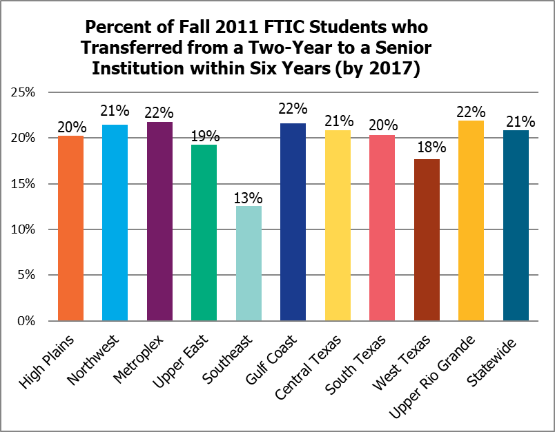
Transfer

This page presents the percentage of first-time in college (FTIC), Fall 2011 students who transferred from a two-year to a senior institution within six years (by 2017)

Transfers from Two-Year to Four-Year Institutions by SCH and Region for Fall 2011 Cohort Tracked Through FY 2017 |  |  |  |  |  |  |  |  |  |  |  | Back to Contents

Region |  | FTIC Cohort | 0 - 12 Hours | 13 - 24 Hours | 25-29 Hours | 30 -42 Hours | 43+ Hours | Total Percent Trans- ferred | % Award (did not transfer) | % No Award (did not transfer) | % Comp-leted Core
 | High Plains | 4,267 | 1.8% | 1.9% | 1.0% | 2.1% | 13.4% | 20.2% | 13.5% | 66.3% | 3.7%
 | Northwest | 2,597 | 1.6% | 3.9% | 1.5% | 3.3% | 11.1% | 21.4% | 17.6% | 61.0% | 5.2%
 | Metroplex | 32,657 | 3.0% | 2.1% | 1.2% | 2.9% | 12.5% | 21.7% | 4.3% | 74.0% | 7.8%
 | Upper East | 8,733 | 1.2% | 1.8% | 1.4% | 2.5% | 12.3% | 19.3% | 11.6% | 69.1% | 9.0%
 | Southeast | 2,829 | 1.3% | 1.9% | 1.1% | 1.6% | 6.7% | 12.5% | 15.9% | 71.6% | 1.8%
 | Gulf Coast | 31,810 | 2.9% | 2.3% | 1.2% | 2.8% | 12.4% | 21.6% | 7.6% | 70.8% | 7.9%
 | Central Texas | 15,339 | 1.7% | 2.3% | 1.7% | 3.0% | 12.2% | 20.8% | 7.6% | 71.5% | 3.9%
 | South Texas | 22,451 | 2.4% | 1.7% | 0.9% | 2.1% | 13.2% | 20.3% | 9.5% | 70.2% | 6.7%
 | West Texas | 2,841 | 1.1% | 1.8% | 0.9% | 2.7% | 11.2% | 17.7% | 11.2% | 71.1% | 7.4%
 | Upper Rio Grande | 5,259 | 0.8% | 1.0% | 0.5% | 1.7% | 18.0% | 21.9% | 4.0% | 74.1% | 15.1%
Statewide |  | 128,783 | 2.4% | 2.1% | 1.2% | 2.6% | 12.6% | 20.8% | 7.9% | 71.3% | 7.2%

