Summary
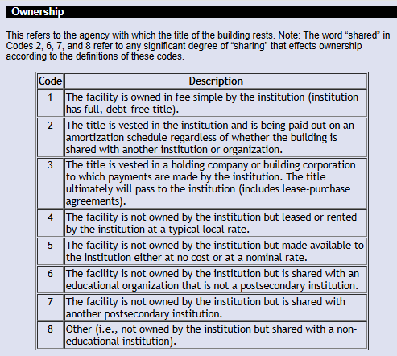
Building Replacement Estimate Report - Fall 2025
FICE | Institution | E&G Building Replacement Estimate | Institution-Wide Building Replacement Estimate
003655 | UT System | $226,975,974 | $650,281,839
003656 | UT-Arlington | $2,106,969,639 | $5,454,071,885
003658 | UT-Austin | $7,553,335,417 | $20,355,447,740
203658 | UT-Austin Medical School | $146,683,747 | $773,447,978
009741 | UT-Dallas | $1,859,207,181 | $5,598,941,358
003661 | UT-El Paso | $1,632,597,634 | $4,086,437,628
003599 | UT-Rio Grande Valley | $1,599,214,088 | $2,995,002,143
203599 | UT-RGV Medical School | $168,357,895 | $465,884,503
009930 | UT-Permian Basin | $347,539,146 | $1,168,457,693
010115 | UT-San Antonio | $1,837,308,960 | $4,737,461,245
011163 | UT-Tyler | $523,614,706 | $1,558,099,105
003629 | Texas A&M System | $94,300,170 | $729,529,320
003632 | Texas A&M | $5,528,204,010 | $18,785,860,935
010298 | TAMU-Galveston | $284,144,923 | $809,103,466
003630 | Prairie View | $961,623,390 | $2,321,261,720
003631 | Tarleton | $877,114,825 | $2,892,392,426
042295 | TAMU-Central Texas | $164,074,981 | $232,096,478
011161 | TAMU-Corpus Christi | $788,839,563 | $2,472,189,800
003639 | TAMU-Kingsville | $700,707,662 | $2,685,651,874
042485 | TAMU-San Antonio | $356,782,441 | $684,026,795
009651 | TAMU International | $430,846,670 | $887,863,482
003665 | West Texas A&M | $889,889,841 | $2,248,479,699
003565 | TAMU-Commerce | $620,361,186 | $2,111,240,234
029269 | TAMU-Texarkana | $170,279,108 | $342,002,847
000712 | TAMU Eng Experiment Station | $50,825,403 | $192,933,100
000716 | TAMU Eng Extension Service | $11,743,671 | $183,713,301
000727 | TAMU Transportation Institute | $114,227,047 | $144,728,992
000556 | TAMU Agrilife Research | $710,919,182 | $1,323,881,841
000555 | TAMU Agrilife Extenstion Service | $1,612,968 | $78,123,148
000557 | TAMU Vet Med Diagnostic Lab | $- | $90,330,860
000576 | TAMU Texas Forest Service | $2,247,286 | $99,492,296
000575 | TAMU Texas Dept of Emergency Management (TDEM) | $- | $125,306,505
000081 | TAMU College of Vet Med | $- | $-
011721 | UH System | $- | $11,077,952
003652 | University of Houston (UH) | $3,732,320,046 | $12,167,432,268
203652 | UH Medical School | $100,201,506 | $135,292,826
011711 | UH-Clear Lake | $546,711,625 | $907,551,979
012826 | UH-Downtown | $525,942,949 | $1,363,233,210
013231 | TAMU-Victoria | $185,227,198 | $595,532,564
103594 | UNT System | $23,225,788 | $231,743,767
003594 | University of North Texas (UNT) | $2,361,828,897 | $5,810,785,183
042421 | UNT-Dallas | $158,406,064 | $267,600,466
439154 | TTU System | $30,783,659 | $81,141,990
003644 | Texas Tech University (TTU) | $3,013,837,735 | $8,087,561,210
203644 | TTU College of Vet Med | $146,947,151 | $183,683,938
003541 | Angelo | $550,386,733 | $1,696,680,378
000110 | TxSt System | $10,341,703 | $18,518,823
003581 | Lamar | $625,427,790 | $2,000,983,265
036273 | Lamar-IOT | $158,341,474 | $214,773,736
023582 | Lamar-Orange | $176,254,372 | $242,322,558
023485 | Lamar-Port Arthur | $171,763,187 | $355,111,147
003606 | Sam Houston | $1,346,816,146 | $4,194,477,041
003615 | TXST | $2,032,104,821 | $6,460,191,938
003625 | Sul Ross | $259,713,143 | $909,916,950
000020 | Sul Ross-Rio Grande | $- | $-
003592 | Midwestern | $439,835,254 | $1,319,799,861
003624 | Stephen F. Austin | $967,304,391 | $3,552,348,489
003642 | Texas Southern University | $759,649,075 | $2,473,057,288
003646 | Texas Women's University | $920,670,774 | $2,449,037,804
000030 | UT Southwest Med Ctr - Dallas | $3,021,569,755 | $11,415,737,275
104952 | UTMB - Galveston | $1,991,485,605 | $7,028,740,894
011618 | UTHSC - Houston | $2,200,352,461 | $5,073,840,090
000040 | UTHSC - San Antonio | $1,795,843,271 | $4,592,539,594
025554 | UT M.D. Anderson Cancer Ctr | $3,424,592,032 | $12,675,295,569
042439 | UTHC - Tyler | $187,492,317 | $742,897,776
000089 | TAMUSHSC | $809,234,202 | $1,903,931,919
000130 | UNTHSC | $375,452,984 | $1,241,382,002
000412 | TTUHSC | $1,372,775,932 | $1,958,867,353
000862 | TTUHSC - El Paso | $447,069,239 | $686,350,832
103606 | SHSU College of Medicine | $71,446,409 | $358,421,334
009642 | TSTC System | $12,342,381 | $19,148,096
009225 | TSTC-Harlingen | $451,557,934 | $664,587,427
009932 | TSTC-West Texas | $237,713,751 | $398,232,301
033965 | TSTC-Marshall | $96,854,984 | $134,813,900
003634 | TSTC-Waco | $532,340,661 | $852,786,365
203634 | TSTC-Fort Bend | $190,674,599 | $241,994,266
133965 | TSTC-North Texas | $62,460,558 | $78,075,697
000811 | TSTC-East Williamson County | $62,624,553 | $78,280,692

 | Statewide | $67,285,849,268 | $193,081,241,560
Source: THECB Fall 2025 Certified Facilities Building Inventory
Building replacement values are only generated for buildings reported with an ownership code of 1, 2, or 3. Buildings reported with an ownership code of 4-8 will not create a building replacement value.

