FY22-23 Biennium Approp
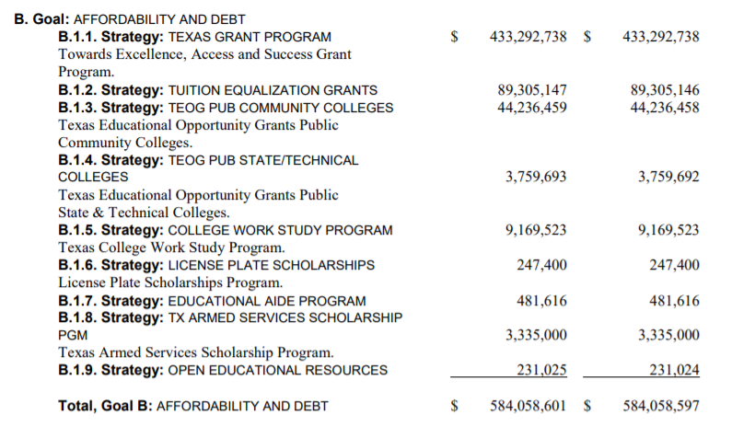
This is from Senate Bill 1 3/27/2021

