HB1-FY22-23 Proposed Approp
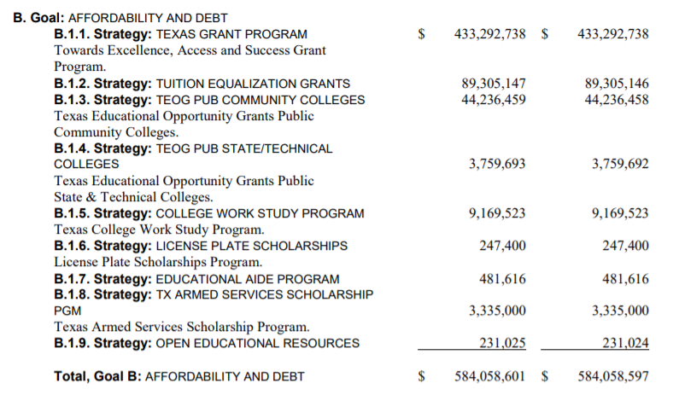
This is from CSSB1 3/27/2021

