FY2022-2023 Biennium Approp
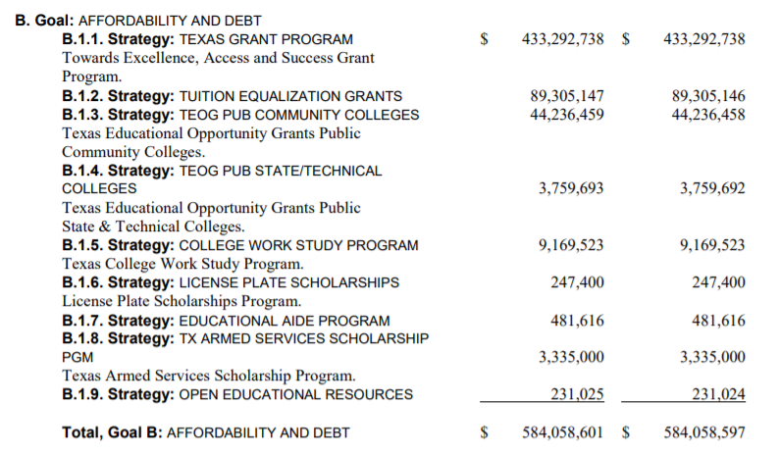
This is from CSSB1 3/27/2021

